Mound Calculations
 | TYPE III time dosed Mound Calculations |  |  |  |  |  | Updated: | 2023-05-01
 |  | Adjusted for Ordinance 61

Site address: |  | 0


A. SITE CONDITIONS
 | Evaluate the site and soils report for the following:
 | >Type and occupancy of facility.
 | >Quality of wastewater distributed.
 | >Dimensions and configuration of suitable on site area.
 | >Treatment and hydraulic limitation of the soil |  |  | City
 | >Surface water movement.
 | (Note: shaded boxes to be filled in by designer)

 | Slope | 0.0 | %

 | Occupancy: One or two family dwelling |  |  |  | # of bedrooms = |  |  | Integer only

 | Public facility (i.e. non-residential). Daily wastewater flow: |  |  |  |  |  |  | gpd
 |  | (Provide details on flow estimate on separate sheet)

 | Wastewater: Typical residential BOD5 |  |  |  | Y/N =
 |  | Or other BOD5 = |  |  | mg/L

Soil limiting factor = |  |  |  | Depth to limiting factor = |  |  |  | inches

 | Contour loading rate = |  |  | gpd / linear foot |  | Soil Loading Rate:
 | Mound rock bed length= |  |  | ft | Soil Treatment Area (STA) flow= |  |  | 0.00
 |  |  |  |  | STA Flow (GPD)=Contour loading rate x rock bed length
 | Berm Slope = |  |  | to | 1.0
B. DESIGN OF THE DISTRIBUTION CELL (ROCK BED)
 | Mound width not to exceed 10ft
A= | Mound rock bed width (ft)=
B= | Mound rock bed length (ft)=

 | 1. Size of the Distribution Cell
a. Infiltration rate of fill material = |  |  |  |  | 1 | ( generally < 1.0 gal/sf/day)

b. Bottom area of distribution cell = Design wastewater flow divided by infiltration rate
 |  | (1.0 gal/sf/day)
Area = | 0 | sq. ft. | divided by | 1 | gal/sf/day | 0 | sq. ft.

C. SAND FILL DESIGN
 | 1. Fill depth
 | a. Fill depth below distribution cell (at least 6 inches)
 | 1) Minimum depth at up slope edge of distribution cell (D) = |  |  |  |  |  | 36 | inches
 |  | (minimum 36 inches for treatment and 12 inches for dispersal) minus distance
 |  | in inches to limiting factor.
 | Required separation distance |  |  |  | 36 | (36 inches or 12 inches minimum)
 |  | minus | 0 | inches to saturated soil depth (from soils worksheet) =
 | sand depth requirement |  |  | D = | 36 | inches

 | 2) Depth at down slope edge of distribution cell (E)
 | E = depth at up slope edge of distribution cell (D) + ( % natural slope expressed
 |  | as a decimal x distribution cell width (A)
 | E = D + (% natural slope expresses as a decimal x A)
 | E = |  | 36 | Inches + ( | 0.00 | x | 0.0 | feet x 12
 |  | inches/foot)
 |  | E = | 36 | inches

 | b. Distribution Cell Depth of Aggregate (Rock Bed Depth)
 | Distribution cell depth (F) for aggregate distribution cell = amount of aggregate
 | below distribution laterals (6 inches min.) + nominal outside diameter of largest
 | lateral + amount of aggregate over distribution laterals (2 inches min.)

 |  | F = | 6 | 6" min. + | 2 | inches + | 2 | (>2)inches
 |  | F= | 10 | inches
 |  |  |  | Aggregate under laterals: minimum 6 inches to 12 inches
 | c. Cover Material
 | 1) Depth at distribution cell center (H) > |  |  |  |  | 13 | inches (crown)
 | 2) Depth at distribution cell edges (G) = |  |  |  |  | 12 | inches

 | 2. Mound Dimensions, fill length and width
 | a. End berm width (K) = Total fill at center of distribution cell x horizontal gradient of
 | side slope.

 | K={([(D+E)divided by 2]+F+H)xhorizontal gradient of side slope}divided by 12inches/foot
 | K = | 36.00 | + | 23 | x | 0.0 | divided by | 12
 | K = | 0 | feet

 | b. Mound Length (L) = Distribution cell length + (2 x end berm width)
 | L = | B + 2K
 | L = | 0.0 | feet + 2 x | 0 | feet
 | L = | 0
 | c. Up slope berm width (J) = Fill depth at upslope edge of distribution cell (D + F + G)
 | x horizontal gradient of side slope x slope correction factor
 | {100/[100 + (gradient of side slope x % of slope)]}
 | J = ( | 36 | inches + | 10 | Inches + | 12 | inches) divided by
 | 12 | inches/ft x | 0.0 | x | 100 | divided by [ | 100 | +
 | ( | 0.0 | x | 0.0 | )
 | J = | 0 | feet
 | d. Down slope berm width (I) = Fill depth at downslope edge of distribution cell
 | (E + F + G) x Horizontal gradient of side slope x downslope correction factor
 | 100/[100 - (gradient of side slope x % of slope)]
 | I = (E + F + G) x Horizontal gradient of side slope x downslope correction factor
 | 100 divided by [100 - (gradient of side slope x % of slope)]
 | I = | 36.00 | inches + | 10 | Inches + | 12 | Inches) divided by
12in/ft x |  | 0.0 | x 100 divided by [100 -( |  | 0.0 | x | 0.0 | )]
 | I = | 0 | feet
 | e. Mound width (W) = Up slope width (J) + Distribution cell width (A) + Downslope
 | width (I)
 | W = J + A + I
 | W = | 0 | ft + | 0.0 | ft + | 0 | ft
 | W = | 0 | feet
 | 3. Determine the location of observation pipes along the length of distribution cell.
 | Distance from end of distribution cell to end observation pipes = B divided by 6
 |  | Distance = |  | 0.0 | ft from ends of distribution cell.

D. SAND VOLUME CALCULATIONS
1. Estimated Sand = [sand beneath rock bed]+ [sand in downhill berm] + [sand in uphill berm]
+ [sand in end berms] x (1cubic yard/27 cubic feet)
2. Estimated Sand = (D + E ÷ 12 x B x A ÷ 2) + (E+12 ÷ 12 x L x I ) +
(D ÷ 12 x J x L ÷ 2) + (D ÷ 12 x A x K) ÷ 27
3. Estimated Sand = |  |  | 0 | cubic yards
4. Adjusted Sand Volume = Estimated sand x correction factor.
5. Adjusted Sand Volume = |  |  | 0 | x1.25 = | 0 | cubic yards

 |  |  | MOUND ABSORPTION
 | Mound Absorption Ratio = Mound Design Loading Rate ÷ Soil Loading Rate
 |  |  | 1.00 | ÷ | 0.00 | = | #DIV/0!
 | Mound Absorption Width = (bed width or contour loading rate) x Mound Absorption Ratio

 |  |  | 0.0 | X | #DIV/0! | = | #DIV/0! | Feet

 | <1% Slope absoprtion length on both sides of bed width = |  |  |  |  | #DIV/0! | Feet

 | >1% Slope absorption length on downslope = |  |  |  | #DIV/0! | Feet

0

0
0
0

0

0

6

10
1.0
:

36
36

0

Estimated Rock Volume= |  |  | 0.00 | x1.3 | 0 | CubicYards
Estimated Topsoil Volume= |  |  | 0.00 | x1.3 | 0 | Cubic Yards

Pres. Dist.
 |  |  | Pressure Distribution Design Worksheet
 |  |  |  |  |  |  | Project ID: |  | #REF! |  |  |  |  |  | v 9.9.2021

1. | Media Bed Width: |  |  |  |  |  |  | 0.00 |  | ft
2. | Minimum Number of Laterals in system/zone = Rounded up number of [(Media Bed Width - 4) ÷ 3] + 1.

 |  | [( | 0.00 |  | - 4 ) ÷ 3] + 1 = |  |  | 0 |  | laterals |  | Does not apply to at-grades

3. | Designer Selected Number of Laterals: |  |  |  |  |  |  |  |  | laterals
 | Cannot be less than line 2 (Except in at-grades)
4. | Select Perforation Spacing: |  |  |  |  |  |  |  |  | ft

5. | Select Perforation Diameter Size: |  |  |  |  |  |  |  |  | in |  | FALSE
6. | Length of Laterals = Media Bed Length - 2 Feet.

 | 0.0 | - | 2ft | = |  |  | ft | Perforation can not be closer then 1 foot from edge.

7. | Determine the Number of Perforation Spaces. Divide the Length of Laterals by the Perforation Spacing and round down to the nearest whole number.

 | Number of Perforation Spaces= |  |  |  |  |  | ft | ÷ |  |  | ft | = |  | Spaces

8. | Number of Perforations per Lateral is equal to 1.0 plus the Number of Perforation Spaces. Check table below to verify the number of perforations per lateral guarantees less than a 10% discharge variation. The value is double with a center manifold.

 | Perforations Per Lateral = |  |  |  |  |  |  | Spaces + 1 = |  |  |  |  | Perfs. Per Lateral

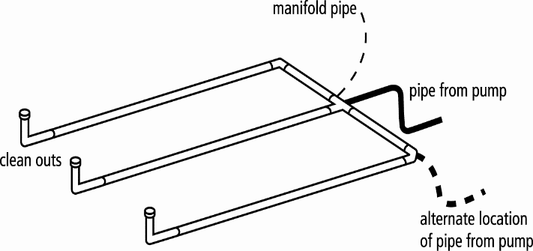 |  |  |  |  |  |  | 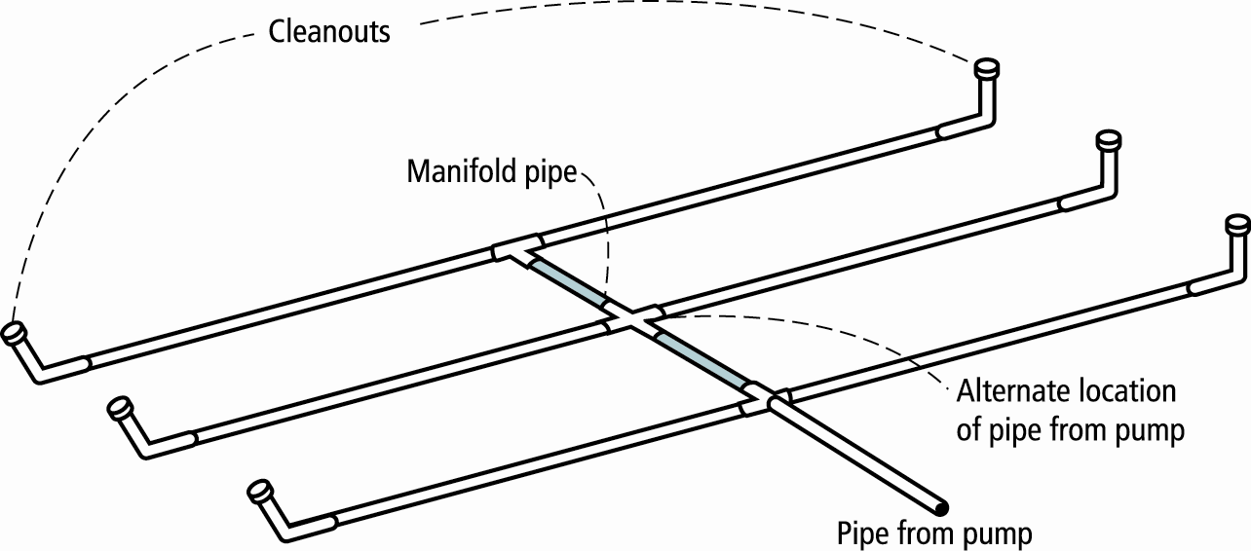
9. | Total Number of Perforations equals the Number of Perforations per Lateral multiplied by the Number of Perforated Laterals.

 |  | Perf. Per Lat. X |  |  |  |  | Number of Perf. Lat. = |  |  |  |  |  | Total Number of Perf.

10. | Spacing of laterals; Must be greater than 1 foot and no more than 3.5 feet: |  |  |  |  |  |  |  |  |  |  |  |  | ft

11. | Select Type of Manifold Connection (End or Center):

12. | Select Lateral Diameter (See Table): |  |  |  |  |  |  |  |  |  | in
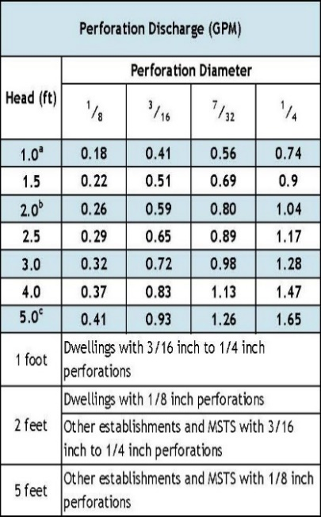
13. | Calculate the Square Feet per Perforation.
 | Recommended value is 4-11 ft2 per perforation, Does not apply to At-Grades
a. | Bed Area = Bed Width (ft) X Bed Length (ft)

 | 0 | ft X | 0 |  | ft = |  |  | ft2

b. | Square Foot per Perforation = Bed Area ÷ by the Total Number of Perfs

 |  | ft2 ÷ |  |  | perf = |  |  | ft2/perf

14. | Select Minimum Average Head: |  |  |  |  |  |  |  |  |  | ft

15. | Select Perforation Discharge based on Table: |  |  |  |  |  |  |  |  | GPM per Perf

16. | Flow Rate = Total Number of Perfs X Perforation Discharge.

 |  | Perfs X |  |  |  | GPM per Perforation = |  |  |  |  |  | GPM

17. | Volume of Liquid Per Foot of Distribution Piping (Table II): |  |  |  |  |  |  |  |  |  |  | Gallons/ft

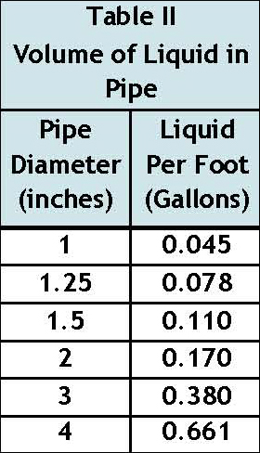
18. | Volume of Distribution Piping =
 | = [Number of Perforated Laterals X Length of Laterals X (Volume of Liquid Per Foot of Distribution Piping]

 |  | X |  |  | ft X |  |  | gal/ft = |  |  |  | Gallons

19. | Minimum Delivered Volume = Volume of Distribution Piping X 4

 |  | gals X 4 = |  |  |  |  | Gallons

Comments/Special Design Considerations:

Pump-Basic(1)
 |  |  | Basic Pump Selection Design Worksheet
1. | PUMP CAPACITY |  |  |  |  |  | Project ID: |  | #REF! |  |  |  |  |  |  |  | v 9.9.2021

 | Pumping to Gravity or Pressure Distribution: |  |  |  |  |  | Pressure

A. | If pumping to gravity enter the gallon per minute of the pump: |  |  |  |  |  |  |  |  |  | GPM | (10 - 45 gpm)

B. | If pumping to a pressurized distribution system: |  |  |  |  |  |  |  | 0.0 |  | GPM

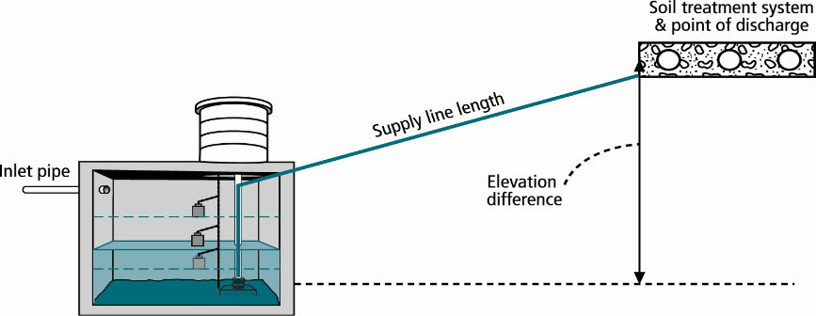
C. | Enter pump description: |  |  |  |  |  |  |  | Equalization/Time Dosing
 |  |  | City
2. HEAD REQUIREMENTS

A. | Elevation Difference |  |  |  |  | ft
 | between pump and point of discharge:

B. | Distribution Head Loss: |  |  |  |  | ft

C. | Additional Head Loss: |  |  |  |  | ft (due to special equipment, etc.)

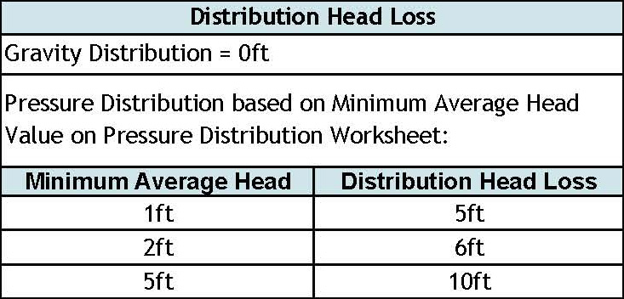

D. | 1. Supply Pipe Diameter: |  |  |  |  | in

 | 2. Supply Pipe Length: |  |  |  |  | ft

E. | Friction Loss in Plastic Pipe per 100ft from Table I:

 | Friction Loss = |  |  |  | ft per 100ft of pipe

F. | Determine Equivalent Pipe Length from pump discharge to soil dispersal area discharge point. Estimate by adding 25% to supply pipe length for fitting loss. Supply Pipe Length X 1.25 = Equivalent Pipe Length

 |  | ft | X | 1.25 | = |  |  | ft

G. | Calculate Supply Friction Loss by multiplying Friction Loss Per 100ft by the Equivalent Pipe Length and divide by 100.
 | Supply Friction Loss =
 |  | ft per 100ft |  |  | X |  |  | ft | ÷ | 100 | = |  |  | ft

H. | Total Head requirement is the sum of the Elevation Difference + Distribution Head Loss, + Additional Head Loss + Supply Friction Loss

 |  | ft | + |  |  | ft | + |  |  | ft + |  |  | ft = |  |  | ft

3. PUMP SELECTION
A pump must be selected to deliver at least |  |  |  |  |  |  |  | GPM with at least |  |  |  |  |  |  | feet of total head.

Comments:

 |  |  |  |  |  |  |  |  |  |  |  |  |  |  |  |  |  | Fitting Type | 1.5 | 2 | 3
 |  |  |  |  |  |  |  |  |  |  |  |  |  |  |  |  |  | Gate Valve | 1.07 | 1.38 | 2.04
 |  |  |  |  |  |  |  |  |  |  |  |  |  |  |  |  |  | 90 Deg Elbow | 4.03 | 5.17 | 7.67
 |  |  |  |  |  |  |  |  |  |  |  |  |  |  |  |  |  | 45 Deg Elbow | 2.15 | 2.76 | 4.09
 |  |  |  |  |  |  |  |  |  |  |  |  |  |  |  |  |  | Tee - Flow Thru | 2.68 | 3.45 | 5.11
 |  |  |  |  |  |  |  |  |  |  |  |  |  |  |  |  |  | Tee - Branch Flow | 8.05 | 10.30 | 15.30
 |  |  |  |  |  |  |  |  |  |  |  |  |  |  |  |  |  | Swing Check Valve | 13.40 | 17.20 | 25.50
 |  |  |  |  |  |  |  |  |  |  |  |  |  |  |  |  |  | Angle Valve | 20.10 | 25.80 | 38.40
 |  |  |  |  |  |  |  |  |  |  |  |  |  |  |  |  |  | Globe Valve | 45.60 | 58.60 | 86.90
 |  |  |  |  |  |  |  |  |  |  |  |  |  |  |  |  |  | Butterfly Valve | x | 7.75 | 11.50

Pump-Tank(Other)Time
Width
Length
Radius
NON STA Pump Tank Design Worksheet (Time Dose) |  |  |  |  |  |  |  |  |  |  |  |  |  |  |  |  |  |  |  |  | To use these calculations you must unprotect the worksheet under the Review Tab.
 |  |  |  |  |  |  |  |  |  |  | Project ID: |  |  |  |  |  |  |  | v 03.15.2023 |  | MEASURED TANK CAPACITY (existing tanks):

DETERMINE TANK CAPACITY AND DIMENSIONS

1. | A. | STA Flow |  |  |  |  |  | 0 |  | GPD | B. | Tank Use: |  |  |  |  |  |  |  | A. | Rectangle area = Length (L) X Width (W)

 | C. | Percentage of Design Flow |  |  |  |  | % | 0 |  | Gal | Up to 75% design flow is normal for Design percentage |  |  |  |  |  |  |  |  |  |  | 3.14 X |  |  |  | 2 | ft | = |  | ft2

 | D. | Min. required pump tank capacity: |  |  |  |  |  |  |  | Gal | E. | Recommended capacity: |  |  |  |  |  | Gal |  | C. | Calculate Gallons Per Inch. Multiply the area from 1.A or 1.B, by 7.5 to determine the gallons per foot the tank holds and divide by 12 to calculate the gallons per inch.

2. | A. | Tank Manufacturer: |  |  |  |  |  |  |  |  | B. | Tank Model: |  |  |  |  |  |  |  |  |  |  | ft2 | X | 7.5 gal/ft3 ÷ 12 in/ft |  |  |  | = |  | Gallons per inch

 | C. | Capacity from manufacturer: |  |  |  |  |  |  |  | Gallons |  |  | Note: Design calculations are based on this specific tank. Substituting a different tank model will change the pump float or timer settings. Contact designer if changes are necessary. |  |  |  |  |  |  | D. | Calculate Total Tank Volume

 | D. | Gallons per inch: |  |  |  |  |  |  |  | Gallons per inch |  |  |  |  |  |  |  |  |  |  | Depth from bottom of inlet pipe to tank bottom: |  |  |  |  |  |  |  |  |  | in

 | E. | Liquid depth of tank from manufacturer: |  |  |  |  |  |  |  | inches |  |  |  |  |  |  |  |  |  |  | Total Tank Volume = Depth from bottom of inlet pipe (Line 4.A) X Gallons/Inch (Line 2)

DETERMINE DOSING VOLUME |  |  |  |  |  |  |  |  |  |  |  |  |  |  |  |  |  |  |  |  |  |  | in | X | 0.0 |  | Gallons Per Inch = |  |  |  | Gallons
3. | Volume to Cover Pump (The inlet of pump should be 4 in from the bottom of the tank & 2 in covering the pump recommended)
 | (Pump and block height + 2 inches) X Gallons Per Inch
 | ( |  |  | in + | 2 inches) X |  |  |  | Gallons Per Inch |  | = |  |  | Gallons
4. | Minimum Delivered Volume: Based on use of second pump tank
 |  |  |  |  |  |  |  |  |  |  |  | Gallons (minimum dose) |  |  |  |  |  | inches/dose
5. | Calculate Maximum Pumpout Volume (25% of Design Flow)
 | Design Flow: |  |  | 0 |  | GPD | X | 0.25 | = | 0 |  | Gallons (maximum dose) |  |  |  |  |  | inches/dose

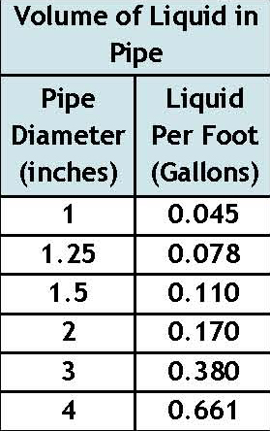

6. | Select a pumpout volume that meets both Minimum and Maximum: |  |  |  |  |  |  |  |  |  |  |  | Gallons
7. | Calculate Doses Per Day = Percentage Design Flow ÷ Delivered Volume
 |  | 0 |  | gpd ÷ |  |  |  | gal = |  |  |  | Doses
8. | Calculate Drainback:
 | A. | Diameter of Supply Pipe= |  |  |  |  |  |  | 0 |  | inches

 | B. | Length of Supply Pipe = |  |  |  |  |  |  | 0 |  | feet

 | C. | Volume of Liquid Per Lineal Foot of Pipe = |  |  |  |  |  |  |  |  | Gallons/ft
 | D. | Drainback = Length of Supply Pipe X Volume of Liquid Per Lineal Foot of Pipe
 |  | 0 |  | ft X |  |  | gal/ft = |  |  |  | Gallons
9. | Total Dosing Volume = Delivered Volume plus Drainback
 |  |  |  | gal + |  |  | gal = |  |  | Gallons
10. | Working Storage Volume = Tank Volume -Volume to Cover Pump - Reserve Capacity
 | 0 |  | gal - |  |  | gal - | #VALUE! |  | = | #VALUE! |  | Gallons

11. | Required Flow Rate:
A. | From Pump Curve - Must verify after Install: |  |  |  |  |  |  |  |  | GPM* |  |  |  |  |  | *Note: This value must be adjusted after installation based on pump calibration.
B. | Calculated (measured) GPM = Change in Depth (in) x Gallons Per Inch / Time Interval in Minutes
 |  |  |  | in X |  |  |  | gal/in ÷ |  |  |  | min = |  |  | GPM

12. | Select Flow Rate from Line 11.A or 11.B: |  |  |  |  |  |  |  | GPM*

NORMAL OPERATION TIMER SETTINGS*
13. | Calculate TIMER ON setting*:
 | Total Dosing Volume ÷ GPM |  |  |  |  |  |  |  |  |  |  |  | HR | MIN | SEC
 |  |  | gal | ÷ |  |  | gpm = |  |  |  | Minutes ON* |  | #VALUE! | #VALUE! | #VALUE!
14. | Calculated TIMER OFF setting*:
 | Minutes Per Day (1440)/Doses Per Day - Minutes On |  |  |  |  |  |  |  |  |  |  |  |  |  |  | HR | MIN | SEC
 | 1440 min ÷ |  |  | doses/day - |  |  |  |  | min | = |  |  | Minutes OFF* |  |  | #VALUE! | #VALUE! | #VALUE!

OPTIONAL PEAK ENABLE DOSING* - Designer's option for peak flow operation

15. | Peak Percentage of Design Flow |  |  |  |  |  |  | %
16. | Peak Pump out Volume that meets both Minimum and Maximum Volume |  |  |  |  |  |  |  |  |  |  |  | gal + | Drainback |  |  |  | gal
17. | Peak Dose Volume |  |  |  |  | gal |  |  |  |  |  |  |  |  | HR | MIN | SEC
18. | Peak TIMER ON |  |  |  |  | gal ÷ |  | gpm = |  |  | min ON
 | *Note: This value must be adjusted after installation based on pump calibration. |  |  |  |  |  |  |  |  |  |  |  |  |  | HR | MIN | SEC
19. | Peak TIMER OFF:1440 min ÷ |  |  |  |  | doses/day - |  |  | min On |  |  |  | min Off

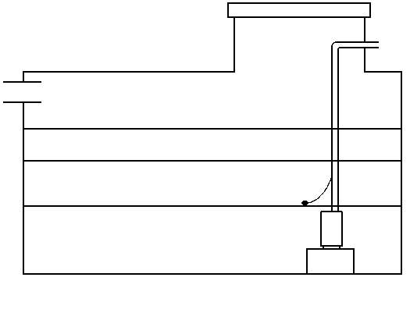
FLOAT SETTINGS |  |  |  | Alarm and Pump are to be wired on separate circuits and inspected by the electrical inspector

20. | Pump Off Float - Measuring from bottom of tank:
 | Distance to set Pump Off Float=Gallons to Cover Pump / Gallons Per Inch:
 |  |  | gal ÷ |  |  |  | gal/in = |  |  |  | inches |  | Reserve Capacity |  |  |  | #VALUE! | Gal
 |  |  |  |  |  |  |  |  |  |  |  | Alarm Depth |  |  | in
21. | Alarm Float - Measuring from bottom of tank (90% recommended): |  |  |  |  |  |  |  |  |  |  | Storage Capacity |  |  |  |  | #VALUE! | Gal
 | Distance to set Alarm Float = Tank Depth X % of Tank Depth (90% recommended) |  |  |  |  |  |  |  |  |  |  |  | Normal Dose Volume |  |  |  |  | Gal
 |  |  | in X |  |  |  | % = |  |  |  | inches
 |  |  |  |  |  |  |  |  |  |  |  | Pump Off |  |  | in |  |  | Gal
22. | Reserve Capacity in gallons = (Tank Depth - Alarm Depth) X GPI
( | 0.0 |  | in - |  |  |  | in) X |  |  |  | = | #VALUE! |  | gallons

Tank Buoyancy
 |  |  |  | Tank Buoyancy Worksheet
1. Tank Specifications |  |  |  |  |  |  | Project ID: |  | #REF! |  |  |  |  |  |  | v 9.9.2021

A. | Tank Manufacturer: |  |  |  |  |  |  |  |  |  | Tank Model:

B. | Outside Tank Dimensions and Specifications: |  |  |  |  |  |  |  |  |  | Tank Use:

 | Length: |  | in | Width: |  | in | Height: |  | in | Diameter: |  |  | in

 | Length: |  | ft | Width: |  | ft | Height: |  | ft | Radius of Tank: |  |  | in
 |  |  |  | City
2. Outside Volume of Tank
Rectangular Tank |  |  |  |  |  |  |  |  |  | Circular Tank

A. | Area of Tank = Length (ft) X Width (ft) |  |  |  |  |  |  |  |  | A. | Area of Tank = πr2 (3.14 X (Radius of Tank)2)

 |  |  | ft X |  |  | ft = |  |  | ft2 |  | 3.14 X |  |  | ft2 = |  | ft2

B. | Volume of Tank = Area of Tank (2.A) X Height (ft) |  |  |  |  |  |  |  |  | B. | Volume of Tank = Area of Tank X Height (ft)

 |  |  | ft X |  |  | ft = |  |  | ft3 |  |  | ft2 X |  |  | ft = |  | ft3

3. Force of Tank Weight (FTW)

 | Weight of Tank (provided by manufacturer) |  |  |  |  |  |  |  | lbs/ft3

4. Force of Soil Weight Over Tank (FSW)
 |  |  |  |  |  |  |  |  |  |  | Soil Type | Weight of Soil (lbs/ft3)

A. | Depth of Cover Over Tank: |  |  |  |  | in |  | ft

B. | Weight of Soil Per Cubic Foot: |  |  |  |  |  |  | lbs/ft3 |  |  | Sandy | 120

C. | Volume of Soil Over Tank = Depth of Cover (ft) X Area of Tank (ft2) |  |  |  |  |  |  |  |  |  | Loamy | 100

 |  | ft X |  |  | ft2 = |  |  | ft3 |  |  | Clay | 90

D. | Weight of Soil Over Tank = Volume of Soil Over Tank X Weight of Soil Per Cubic Foot
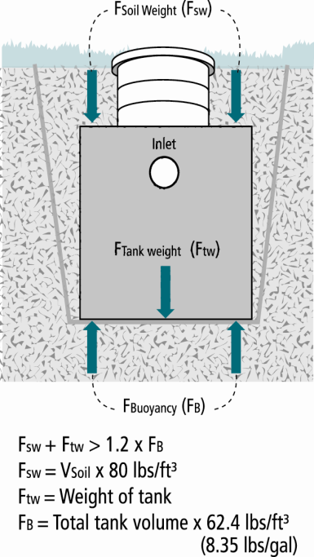
 |  | ft3 X |  | lbs/ft3 = |  |  | lbs | Note: Assumes saturation does not get over the lid of the tank

5.Buoyant Force (FB)

 | Buoyant Force (FB) = Outside Volume of Tank X Weight of Water Per Cubic Foot (62.4 lbs/ft3) X 1.2 (Safety Fctr)

 |  |  | X 62.4 lbs/ft3 X 1.2 = |  |  |  |  |  | lbs

6. Evaluation of Net Forces

A. | Downward Force = Force of Tank Weight (FTW) + Force of Soil Weight of Soil (FSW)

 |  |  | lbs + |  |  | lbs = |  |  | lbs

B. | Net Difference = Downward Force - Buoyant Force Including Safety Factor

 |  |  | lbs - |  |  | lbs = |  |  | lbs

 | If the Net Difference is negative, countermeasures will need to be taken to prevent the tank from floating out of the ground.
 | Comments/Solution:

